Compile
Logistic Regression model: training and validation scores (1km buffer datasets)
Logistic Regression model traning and validation scores for 1km buffer datasets
1km_buffer | SS01_1K |  | TS01_1K |  | TS02_1K |  | TS03_1K |  | TS04_1K |  | TS05_1K |  | TS_Avg_1k
 | mean | std | mean | std | mean | std | mean | std | mean | std | mean | std | mean | std
Valid_accuracy | 0.74 | 0.05 | 0.70 | 0.04 | 0.67 | 0.06 | 0.68 | 0.07 | 0.68 | 0.02 | 0.69 | 0.06 | 0.68 | 0.05
train_accuracy | 0.75 | 0.02 | 0.73 | 0.01 | 0.72 | 0.02 | 0.70 | 0.01 | 0.73 | 0.01 | 0.71 | 0.02 | 0.72 | 0.02
Valid_precision | 0.79 | 0.05 | 0.72 | 0.05 | 0.70 | 0.07 | 0.71 | 0.08 | 0.71 | 0.06 | 0.70 | 0.07 | 0.71 | 0.07
train_precision | 0.80 | 0.02 | 0.76 | 0.01 | 0.76 | 0.03 | 0.73 | 0.02 | 0.77 | 0.01 | 0.73 | 0.03 | 0.75 | 0.02
Valid_recall | 0.66 | 0.09 | 0.66 | 0.07 | 0.62 | 0.08 | 0.65 | 0.09 | 0.63 | 0.05 | 0.67 | 0.08 | 0.64 | 0.07
train_recall | 0.67 | 0.02 | 0.70 | 0.02 | 0.66 | 0.03 | 0.65 | 0.03 | 0.67 | 0.03 | 0.68 | 0.04 | 0.67 | 0.03
Valid_f1 | 0.72 | 0.07 | 0.69 | 0.05 | 0.66 | 0.07 | 0.67 | 0.07 | 0.67 | 0.02 | 0.68 | 0.06 | 0.67 | 0.05
train_f1 | 0.73 | 0.02 | 0.73 | 0.01 | 0.70 | 0.03 | 0.69 | 0.02 | 0.71 | 0.02 | 0.70 | 0.03 | 0.71 | 0.02

Logistic Regression model testing scores for 1km buffer datasets
1km_buffer | SS01_1K | TS01_1K | TS02_1K | TS03_1K | TS04_1K | TS05_1K | TS_Avg_1k
Test_accuracy | 0.76 | 0.71 | 0.68 | 0.66 | 0.71 | 0.62 | 0.68
Test_precision | 0.76 | 0.71 | 0.69 | 0.66 | 0.71 | 0.62 | 0.68
Test_recall | 0.76 | 0.71 | 0.68 | 0.66 | 0.71 | 0.62 | 0.68
Test_f1 | 0.76 | 0.71 | 0.68 | 0.66 | 0.71 | 0.62 | 0.68
Logistic Regression model: training and validation scores (3km buffer datasets)

Logistic Regression model traning and validation scores for 3km buffer datasets
1km_buffer | SS01_3K |  | TS01_3K |  | TS02_3K |  | TS03_3K |  | TS04_3K |  | TS05_3K |  | TS_Avg_3k
 | mean | std | mean | std | mean | std | mean | std | mean | std | mean | std | mean | std
Valid_accuracy | 0.74 | 0.06 | 0.70 | 0.04 | 0.70 | 0.03 | 0.69 | 0.01 | 0.68 | 0.05 | 0.66 | 0.04 | 0.69 | 0.03
train_accuracy | 0.74 | 0.02 | 0.72 | 0.02 | 0.71 | 0.01 | 0.71 | 0.00 | 0.69 | 0.02 | 0.68 | 0.01 | 0.70 | 0.01
Valid_precision | 0.78 | 0.07 | 0.72 | 0.03 | 0.74 | 0.03 | 0.73 | 0.03 | 0.71 | 0.04 | 0.69 | 0.04 | 0.71 | 0.03
train_precision | 0.78 | 0.02 | 0.74 | 0.02 | 0.75 | 0.01 | 0.75 | 0.01 | 0.72 | 0.02 | 0.71 | 0.01 | 0.73 | 0.01
Valid_recall | 0.68 | 0.07 | 0.68 | 0.06 | 0.66 | 0.04 | 0.65 | 0.05 | 0.66 | 0.08 | 0.63 | 0.08 | 0.65 | 0.06
train_recall | 0.68 | 0.03 | 0.69 | 0.03 | 0.66 | 0.02 | 0.66 | 0.01 | 0.66 | 0.02 | 0.64 | 0.01 | 0.67 | 0.02
Valid_f1 | 0.73 | 0.07 | 0.70 | 0.04 | 0.70 | 0.03 | 0.68 | 0.02 | 0.68 | 0.06 | 0.65 | 0.05 | 0.68 | 0.04
train_f1 | 0.73 | 0.02 | 0.72 | 0.02 | 0.70 | 0.01 | 0.70 | 0.00 | 0.69 | 0.02 | 0.68 | 0.01 | 0.70 | 0.01

Logistic Regression model testing scores for 3km buffer datasets
1km_buffer | SS01_3K | TS01_3K | TS02_3K | TS03_3K | TS04_3K | TS05_3K | TS_Avg_3k
Test_accuracy | 0.75 | 0.69 | 0.74 | 0.75 | 0.70 | 0.74 | 0.72
Test_precision | 0.75 | 0.69 | 0.74 | 0.75 | 0.70 | 0.74 | 0.72
Test_recall | 0.75 | 0.69 | 0.74 | 0.75 | 0.70 | 0.74 | 0.72
Test_f1 | 0.75 | 0.69 | 0.74 | 0.75 | 0.70 | 0.74 | 0.72

SS01_1k
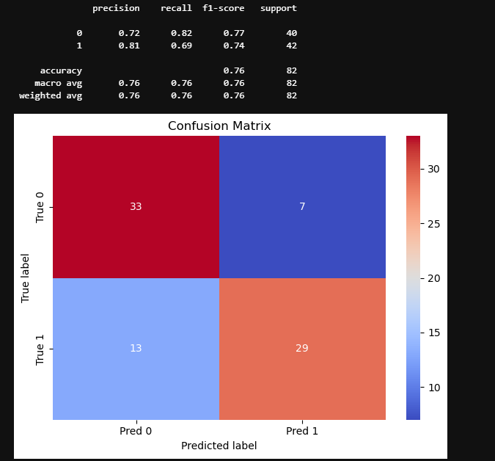
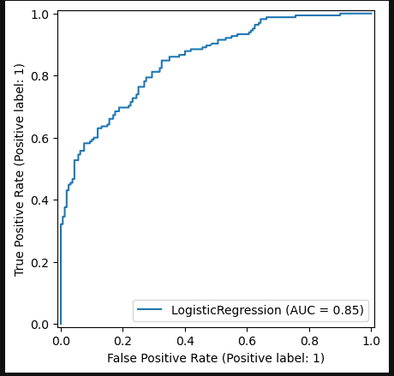
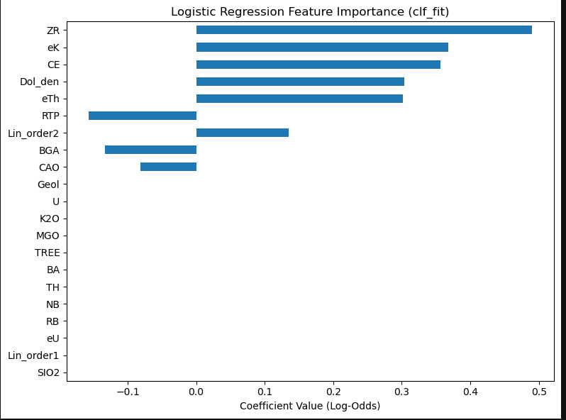
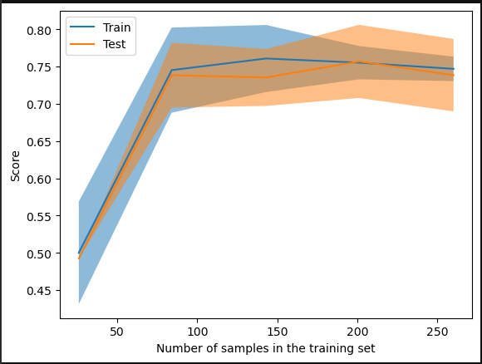
mean | std
fit_time | 0.003413 | 0.003284
score_time | 0.004335 | 0.002263 | test_accuracy | 0.738462 | 0.054393 | 0.695385 | 0.03673 | 0.673846 | 0.055895 | 0.683077 | 0.066706 | 0.68 | 0.020059 | 0.686154 | 0.059186
test_accuracy | 0.738462 | 0.054393 | train_accuracy | 0.746923 | 0.018325 | 0.733077 | 0.008855 | 0.720769 | 0.023013 | 0.700769 | 0.012872 | 0.726923 | 0.009806 | 0.707692 | 0.024477
train_accuracy | 0.746923 | 0.018325 | test_precision | 0.78729 | 0.04685 | 0.720143 | 0.052285 | 0.704051 | 0.068785 | 0.707561 | 0.079031 | 0.714336 | 0.060015 | 0.703104 | 0.070422
test_precision | 0.78729 | 0.04685 | train_precision | 0.799444 | 0.022159 | 0.756979 | 0.007752 | 0.760977 | 0.025232 | 0.730789 | 0.020148 | 0.765718 | 0.012988 | 0.728152 | 0.030549
train_precision | 0.799444 | 0.022159 | test_recall | 0.660606 | 0.086775 | 0.660606 | 0.072347 | 0.618182 | 0.07606 | 0.648485 | 0.089893 | 0.630303 | 0.054208 | 0.666667 | 0.077258
test_recall | 0.660606 | 0.086775 | train_recall | 0.669697 | 0.023103 | 0.698485 | 0.016424 | 0.656061 | 0.027628 | 0.651515 | 0.029341 | 0.666667 | 0.034301 | 0.678788 | 0.037727
train_recall | 0.669697 | 0.023103 | test_f1 | 0.717447 | 0.070877 | 0.686569 | 0.045392 | 0.657065 | 0.066276 | 0.674093 | 0.07254 | 0.666159 | 0.016936 | 0.6826 | 0.062889
test_f1 | 0.717447 | 0.070877 | train_f1 | 0.728707 | 0.020267 | 0.726492 | 0.010894 | 0.704545 | 0.025403 | 0.688369 | 0.015476 | 0.712205 | 0.016907 | 0.701992 | 0.026165
train_f1 | 0.728707 | 0.020267

TS01_1k
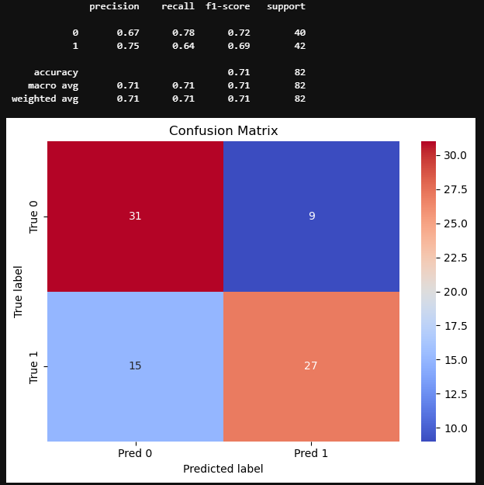
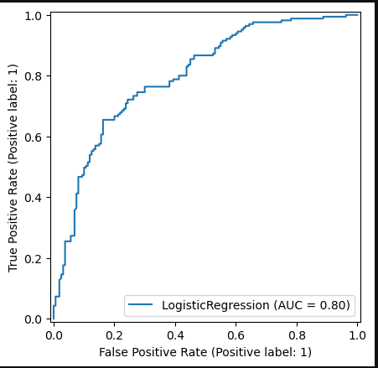
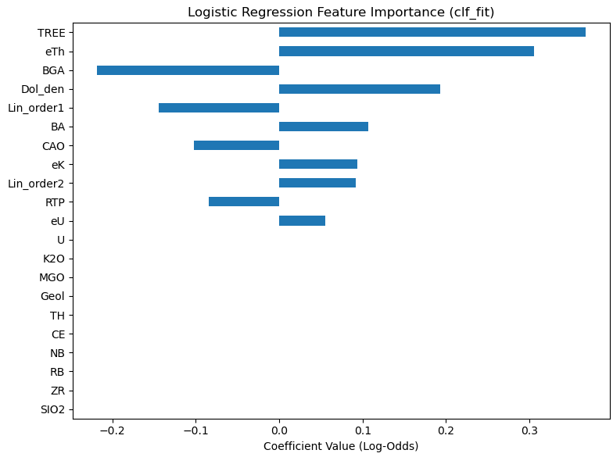
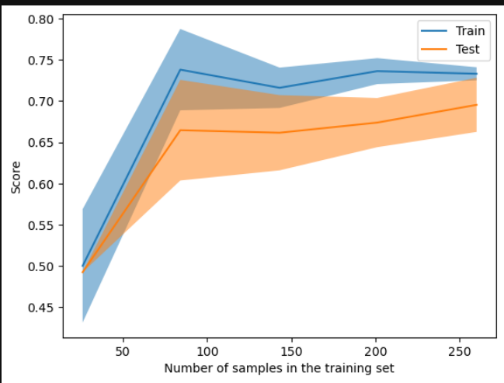
mean | std
fit_time | 0.006239 | 0.005827
score_time | 0.005784 | 0.001621
test_accuracy | 0.695385 | 0.03673
train_accuracy | 0.733077 | 0.008855
test_precision | 0.720143 | 0.052285
train_precision | 0.756979 | 0.007752
test_recall | 0.660606 | 0.072347
train_recall | 0.698485 | 0.016424
test_f1 | 0.686569 | 0.045392
train_f1 | 0.726492 | 0.010894

TS02_1k
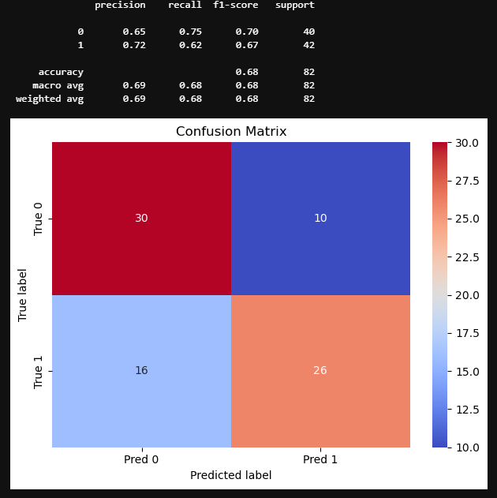
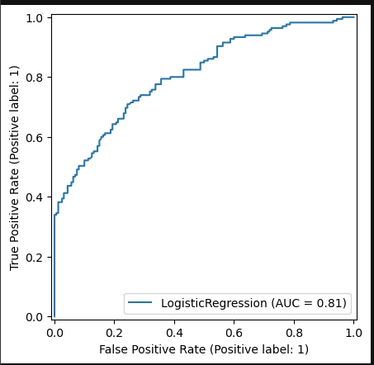
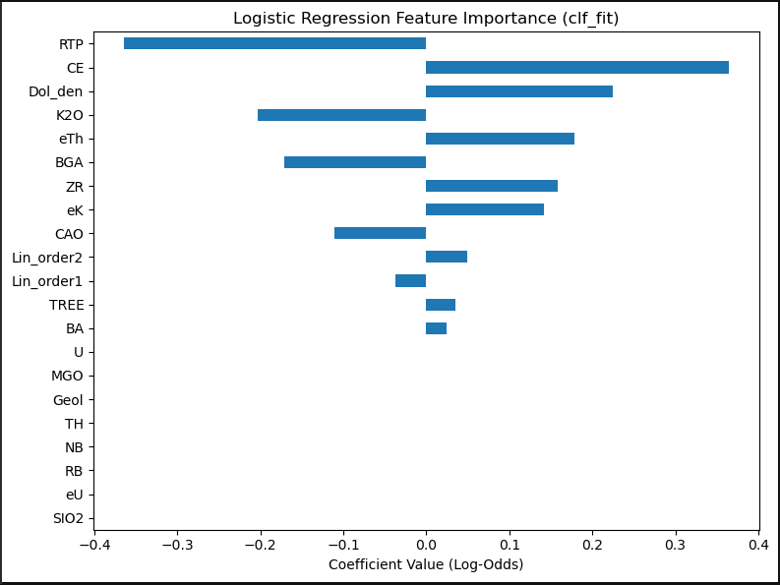
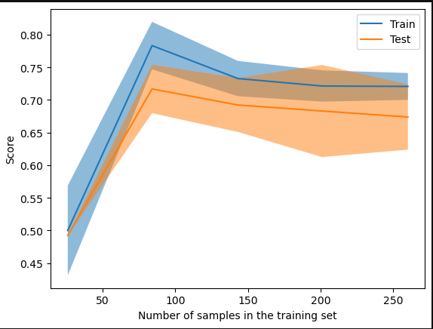
mean | std
fit_time | 0.004787 | 0.004998
score_time | 0.007332 | 0.006241
test_accuracy | 0.673846 | 0.055895
train_accuracy | 0.720769 | 0.023013
test_precision | 0.704051 | 0.068785
train_precision | 0.760977 | 0.025232
test_recall | 0.618182 | 0.07606
train_recall | 0.656061 | 0.027628
test_f1 | 0.657065 | 0.066276
train_f1 | 0.704545 | 0.025403

TS03_1k
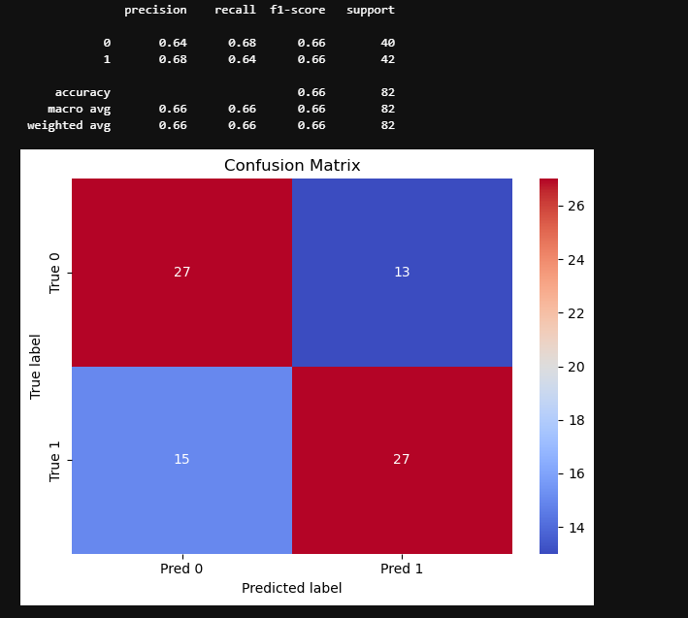
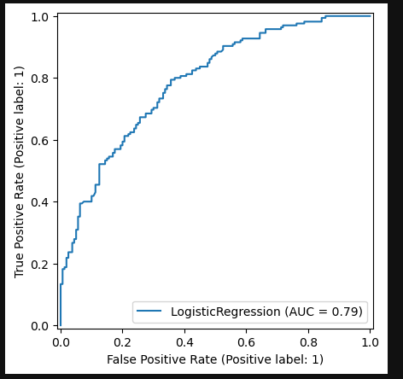
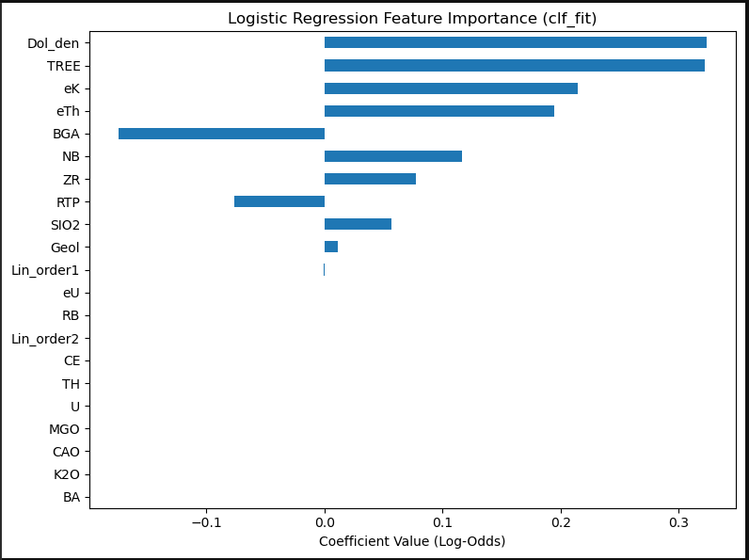
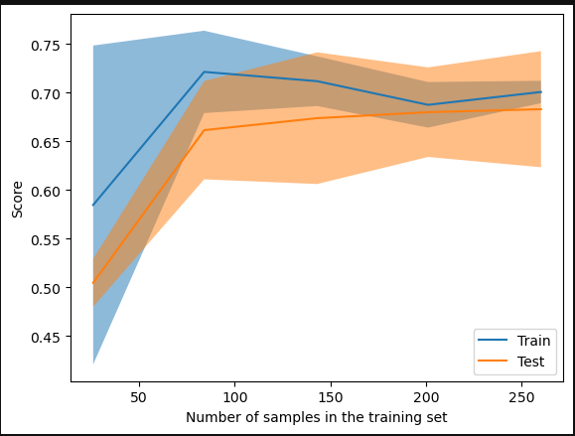
mean | std
fit_time | 0.00442 | 0.005772
score_time | 0.005729 | 0.005992
test_accuracy | 0.683077 | 0.066706
train_accuracy | 0.700769 | 0.012872
test_precision | 0.707561 | 0.079031
train_precision | 0.730789 | 0.020148
test_recall | 0.648485 | 0.089893
train_recall | 0.651515 | 0.029341
test_f1 | 0.674093 | 0.07254
train_f1 | 0.688369 | 0.015476

TS04_1k
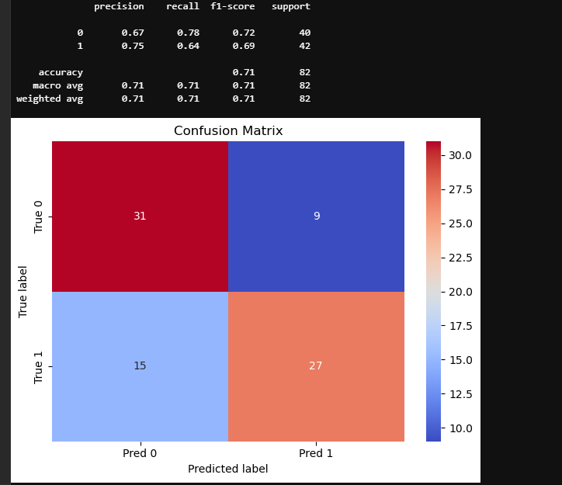
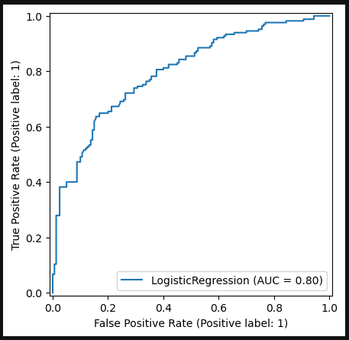
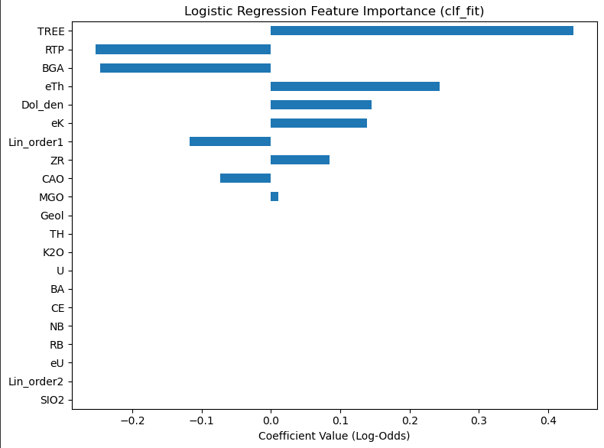
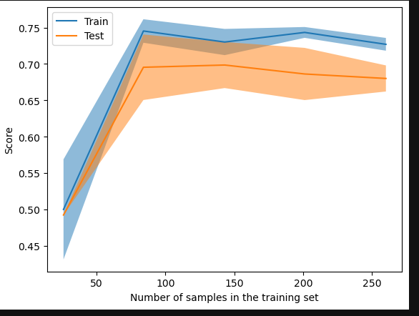
mean | std
fit_time | 0.00284 | 0.001907
score_time | 0.009935 | 0.008272
test_accuracy | 0.68 | 0.020059
train_accuracy | 0.726923 | 0.009806
test_precision | 0.714336 | 0.060015
train_precision | 0.765718 | 0.012988
test_recall | 0.630303 | 0.054208
train_recall | 0.666667 | 0.034301
test_f1 | 0.666159 | 0.016936
train_f1 | 0.712205 | 0.016907

TS05_1k
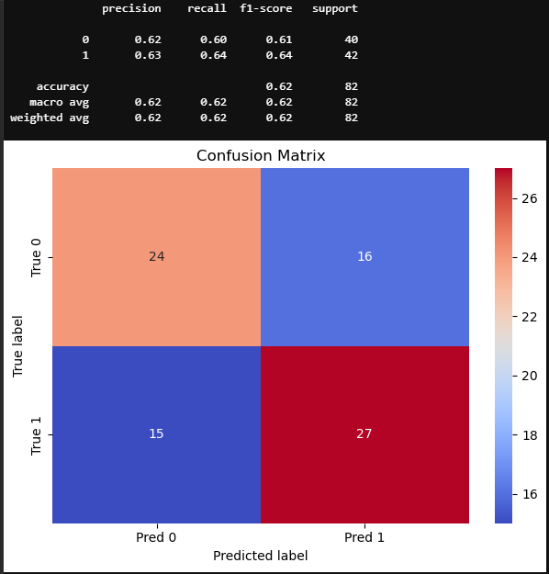
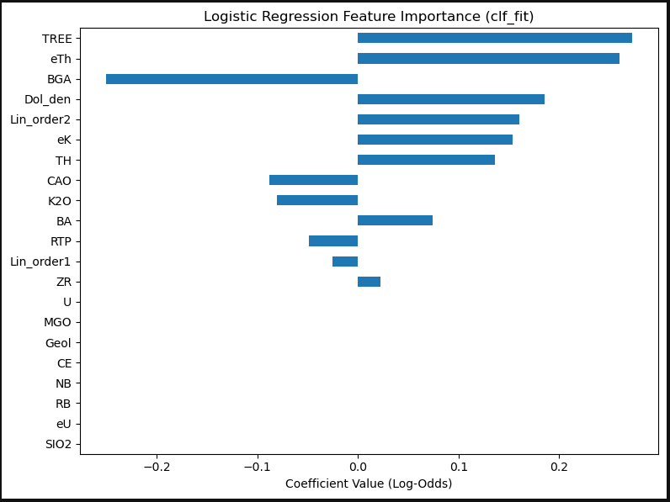
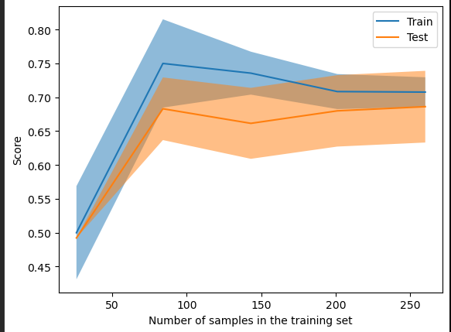
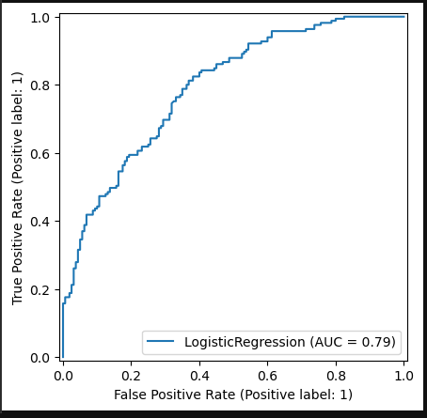
mean | std
fit_time | 0.001386 | 0.001678
score_time | 0.008745 | 0.007637
test_accuracy | 0.686154 | 0.059186
train_accuracy | 0.707692 | 0.024477
test_precision | 0.703104 | 0.070422
train_precision | 0.728152 | 0.030549
test_recall | 0.666667 | 0.077258
train_recall | 0.678788 | 0.037727
test_f1 | 0.6826 | 0.062889
train_f1 | 0.701992 | 0.026165

SS01_3k
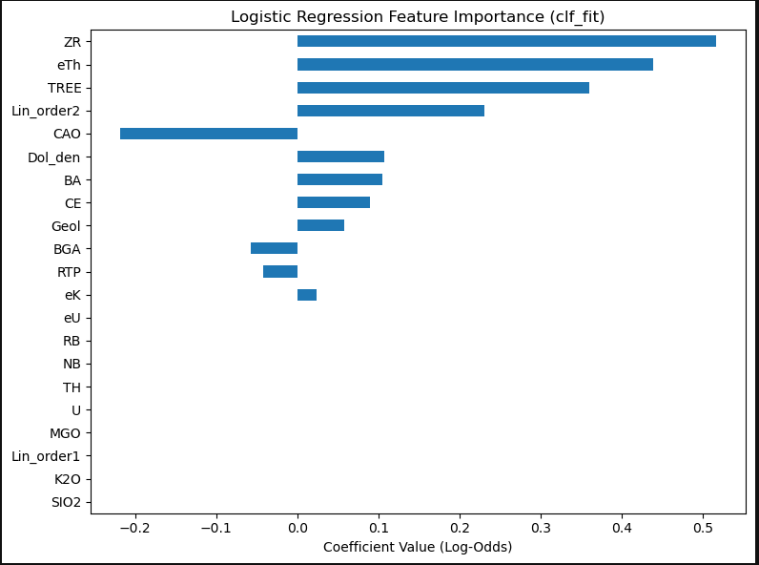
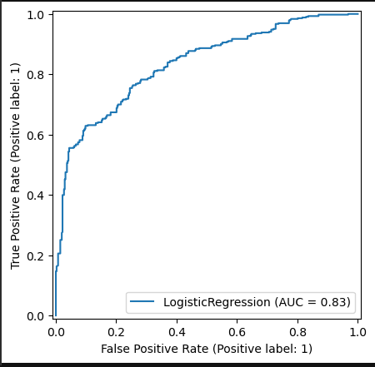
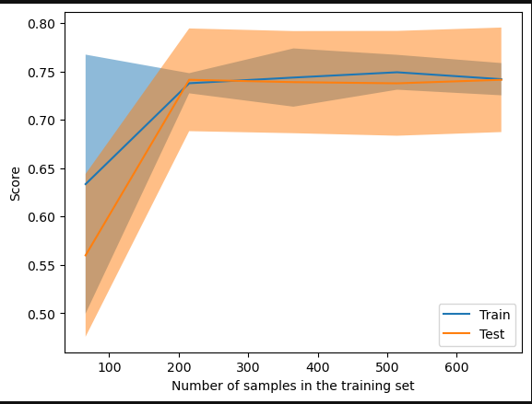
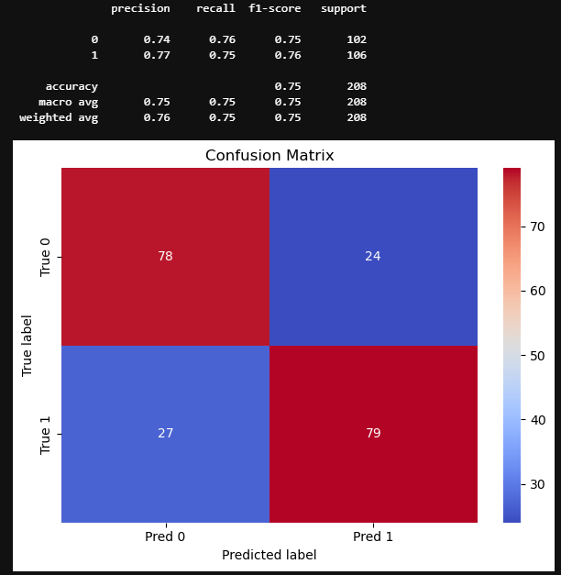
mean | std
fit_time | 0.00407 | 0.000189
score_time | 0.008131 | 0.002399
test_accuracy | 0.742436 | 0.061242
train_accuracy | 0.741574 | 0.018776
test_precision | 0.784117 | 0.066978
train_precision | 0.784869 | 0.016037
test_recall | 0.680672 | 0.071116
train_recall | 0.677878 | 0.027884
test_f1 | 0.728419 | 0.067777
train_f1 | 0.727373 | 0.022367

test_accuracy | 0.742436 | 0.061242 | 0.69861 | 0.035055 | 0.703525 | 0.026523 | 0.691397 | 0.014487 | 0.684035 | 0.053075 | 0.660998 | 0.040733
train_accuracy | 0.741574 | 0.018776 | 0.717492 | 0.01629 | 0.7099 | 0.010229 | 0.711724 | 0.002825 | 0.693492 | 0.015892 | 0.684385 | 0.010447
test_precision | 0.784117 | 0.066978 | 0.717152 | 0.032491 | 0.735545 | 0.031175 | 0.726445 | 0.028537 | 0.705492 | 0.04275 | 0.686459 | 0.037929
train_precision | 0.784869 | 0.016037 | 0.74118 | 0.020341 | 0.745095 | 0.008034 | 0.746588 | 0.005474 | 0.718847 | 0.018162 | 0.713618 | 0.012722
test_recall | 0.680672 | 0.071116 | 0.683081 | 0.056416 | 0.661821 | 0.035358 | 0.64535 | 0.048146 | 0.657059 | 0.083649 | 0.626275 | 0.080466
train_recall | 0.677878 | 0.027884 | 0.692662 | 0.026008 | 0.661931 | 0.016703 | 0.66489 | 0.010087 | 0.663113 | 0.016787 | 0.644805 | 0.010694
test_f1 | 0.728419 | 0.067777 | 0.699 | 0.0395 | 0.696324 | 0.027918 | 0.681968 | 0.019592 | 0.679608 | 0.063322 | 0.65331 | 0.05339
train_f1 | 0.727373 | 0.022367 | 0.715829 | 0.017944 | 0.701018 | 0.012648 | 0.703315 | 0.00455 | 0.689809 | 0.016178 | 0.677433 | 0.010275

TS01_3k
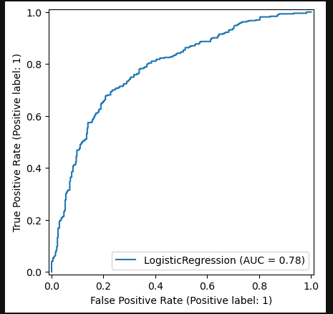
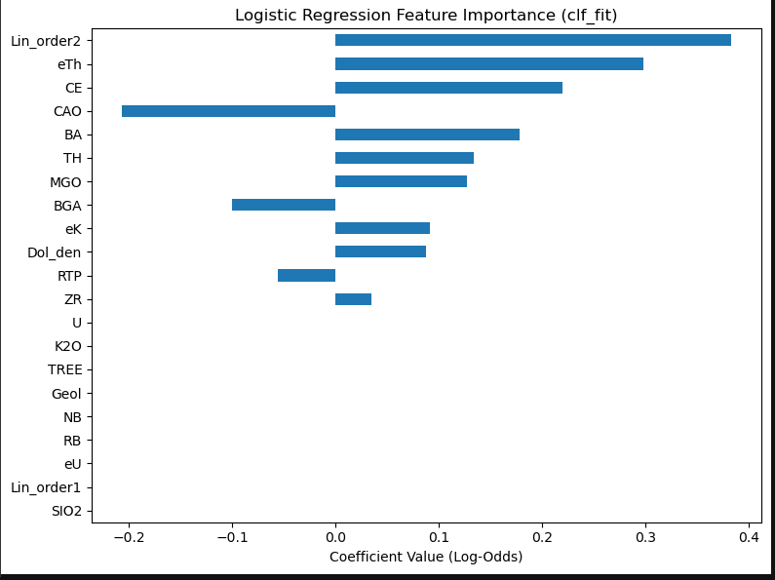
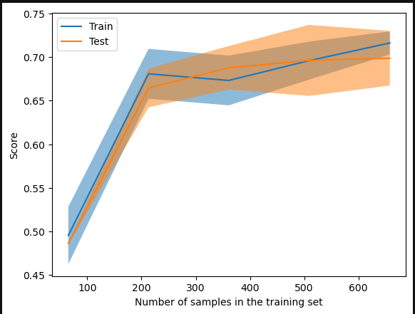
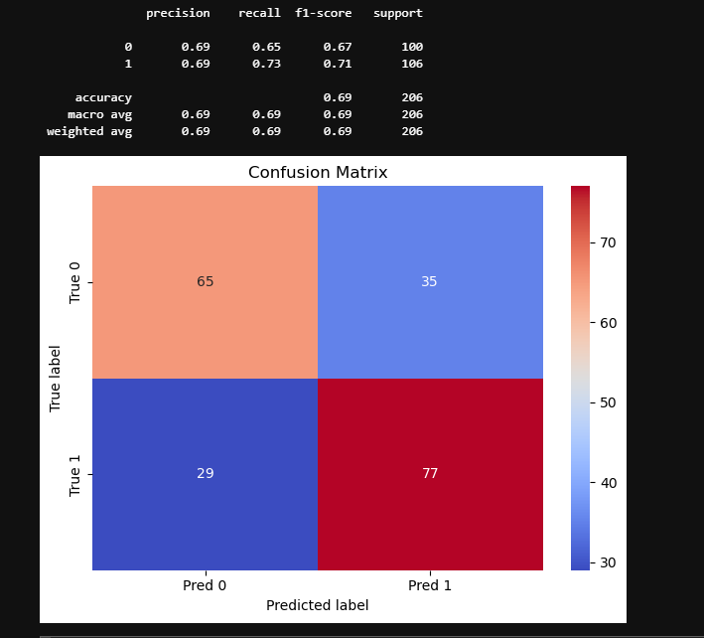
 | mean | std
fit_time | 0.004114 | 0.001773
score_time | 0.005813 | 0.000843
test_accuracy | 0.69861 | 0.035055
train_accuracy | 0.717492 | 0.01629
test_precision | 0.717152 | 0.032491
train_precision | 0.74118 | 0.020341
test_recall | 0.683081 | 0.056416
train_recall | 0.692662 | 0.026008
test_f1 | 0.699 | 0.0395
train_f1 | 0.715829 | 0.017944

TS02_3k
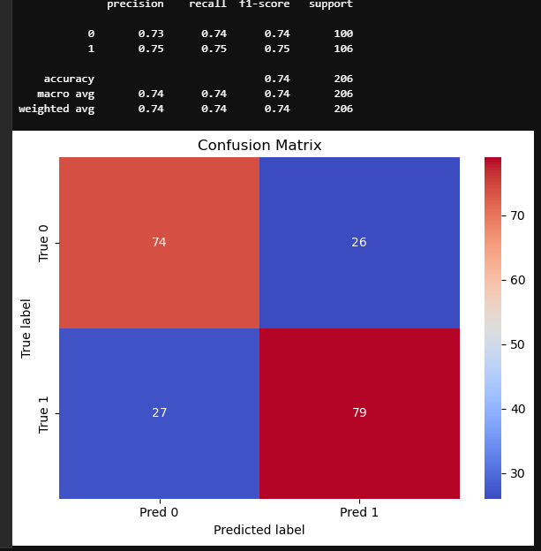
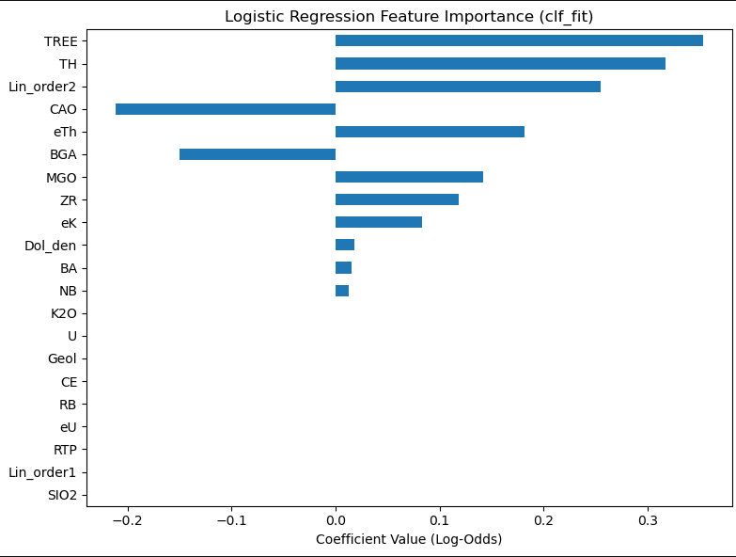
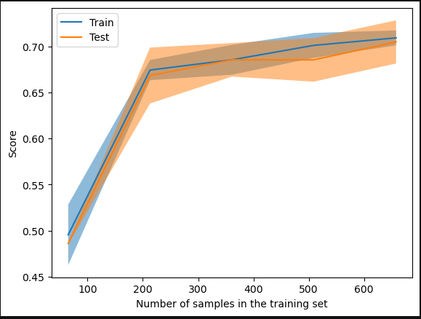
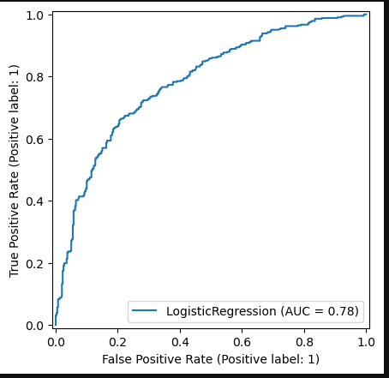
mean | std
fit_time | 0.004905 | 0.002373
score_time | 0.009507 | 0.004569
test_accuracy | 0.703525 | 0.026523
train_accuracy | 0.7099 | 0.010229
test_precision | 0.735545 | 0.031175
train_precision | 0.745095 | 0.008034
test_recall | 0.661821 | 0.035358
train_recall | 0.661931 | 0.016703
test_f1 | 0.696324 | 0.027918
train_f1 | 0.701018 | 0.012648

TS03_3k
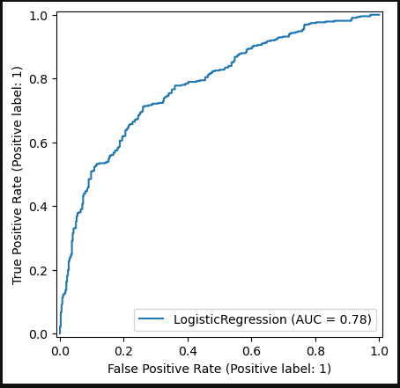
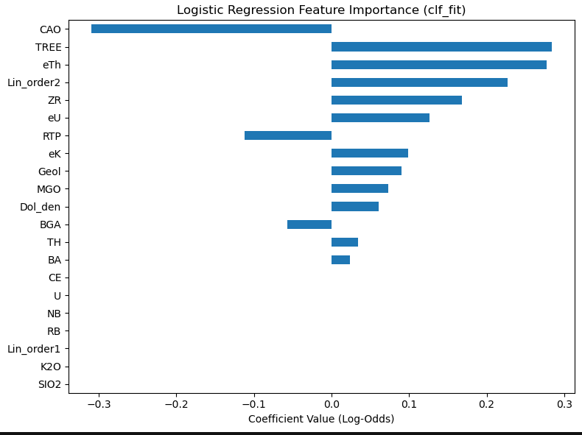
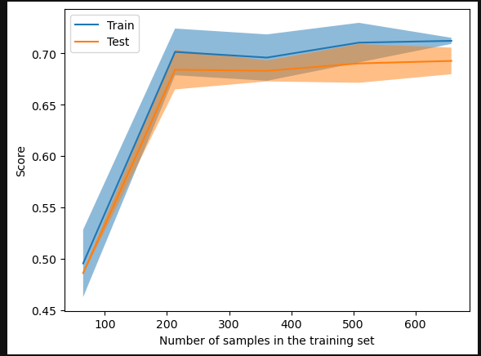
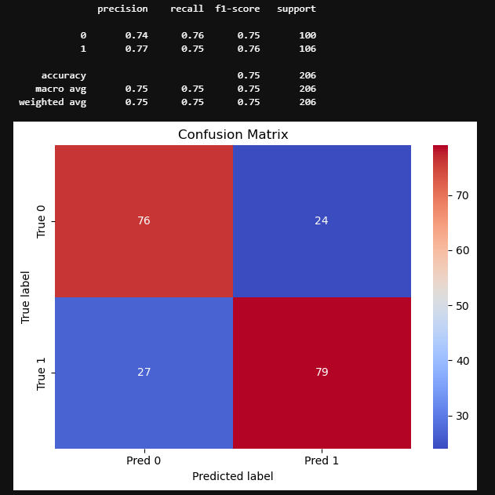
 | mean | std
fit_time | 0.005284 | 0.00084
score_time | 0.011386 | 0.004265
test_accuracy | 0.691397 | 0.014487
train_accuracy | 0.711724 | 0.002825
test_precision | 0.726445 | 0.028537
train_precision | 0.746588 | 0.005474
test_recall | 0.64535 | 0.048146
train_recall | 0.66489 | 0.010087
test_f1 | 0.681968 | 0.019592
train_f1 | 0.703315 | 0.00455

TS04_3k
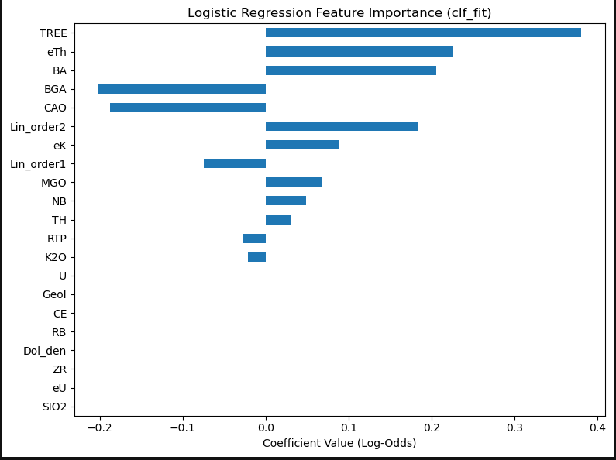
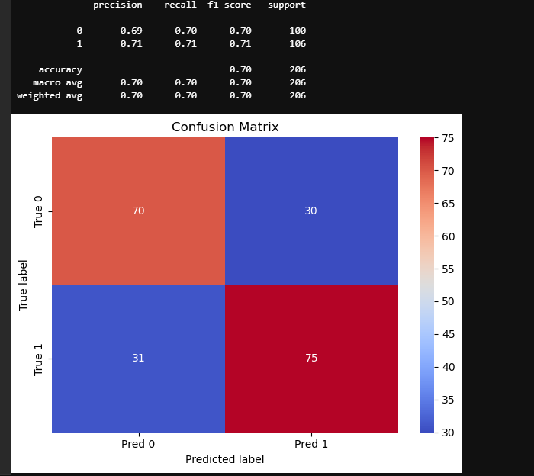
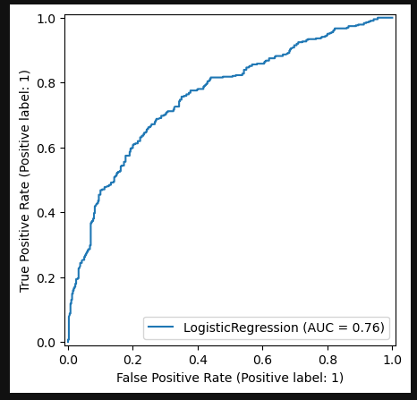
 | mean | std
fit_time | 0.002794 | 0.001306
score_time | 0.005008 | 0.000708
test_accuracy | 0.684035 | 0.053075
train_accuracy | 0.693492 | 0.015892
test_precision | 0.705492 | 0.04275
train_precision | 0.718847 | 0.018162
test_recall | 0.657059 | 0.083649
train_recall | 0.663113 | 0.016787
test_f1 | 0.679608 | 0.063322
train_f1 | 0.689809 | 0.016178

TS05_3k
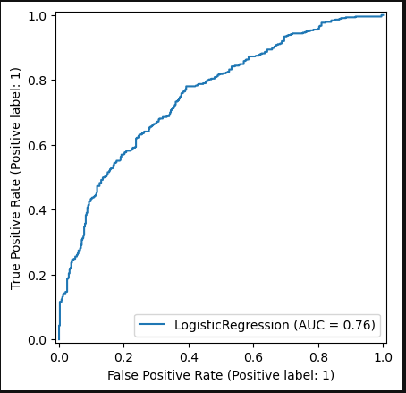
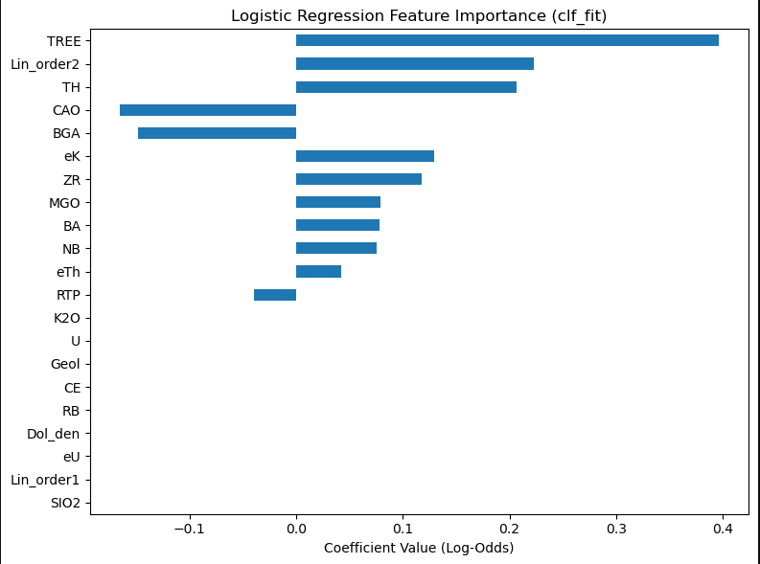
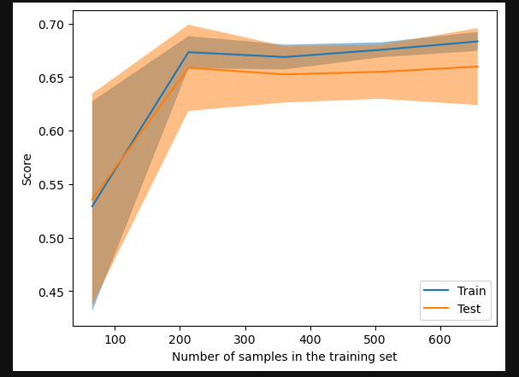
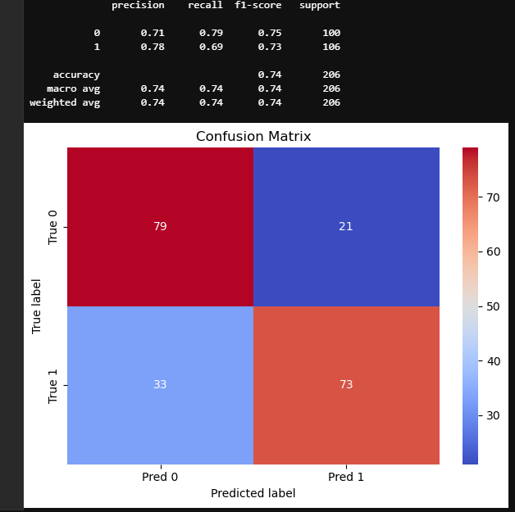
mean | std
fit_time | 0.005847 | 0.002418
score_time | 0.009261 | 0.003465
test_accuracy | 0.660998 | 0.040733
train_accuracy | 0.684385 | 0.010447
test_precision | 0.686459 | 0.037929
train_precision | 0.713618 | 0.012722
test_recall | 0.626275 | 0.080466
train_recall | 0.644805 | 0.010694
test_f1 | 0.65331 | 0.05339
train_f1 | 0.677433 | 0.010275

